Royal Black - 01 Sept 2023


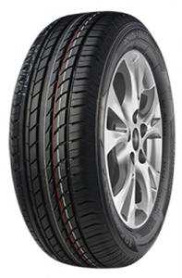

ENQURIES: altramic@gmail.com

CONTACT:078 403 9254

PATTERN | SIZE | QUANTITY | RSA PRICES EXCL. VAT (R)
RS600 | 7.50R16 |  | 2511.00
RS205 | 295/80R22.5 |  | 4741.00
RS600 | 315/80R22.5 |  | 4808.00
RS205 | 11R22.5 |  | 11 799.00
RS201 | 235/75R17.5 |  | 4 988.00
RS600 | 12R22.5 |  | 6 380.00
RS201 | 315/80R22.5 |  | 6 500.00
RS600 | 315/80R22.5 |  | 6 400.00
RD801 | 315/80R22.5 |  | 6 400.00
RS205 | 295/80R22.5 |  | 6 300.00

COMPASAL - Sept 2023

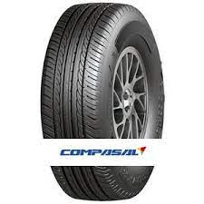

Enquiries: altramic@gmail.com
27 78 403 9254

PATTERN | SIZE | QUANTITY | RSA PRICES EXCL. VAT (R)
BLAZER UHP II | 235/55ZR19 XL |  | 2 999.00
BLAZER UHP II | 225/55ZR18 XL |  | 1 934.00
SMACHER | 235/55ZR17 XL |  | 2 000.00
BLAZER UHP II | 205/40ZR17 XL |  | 1 359.00
BLAZER UHP II | 225/45ZR17 XL |  | 1 499.00
CitiWalker | 215/60R17 |  | 1 690.00
BLAZER UHP II | 225/45ZR18 XL |  | 1 538.00
BLAZER UHP II | 255/55ZR19 XL |  | 2 246.00
BLAZER UHP II | 205/50ZR17 XL |  | 2 578.00
VERSANT A/T | 215R15C |  | 1 500.00
VANMAX | 205/65R16C |  | 2 058.00
CitiWalker | 225/60R17 |  | 2 775.00
VERSANT A/T | P255/70R16 |  | 2 499.00
VANMAX | 195/70R15C |  | 1 880.00
BLAZER HP | 205/60R16 |  | 1 614.00
Commax I | 195R14C |  | 1 399.00
CitiWalker | 235/65R17 |  | 2 795.00
VANMAX | 215/65R16C |  | 2 000.00
GRANDECO | 235/60R16 |  | 1 638.00
GRANDECO | 215/55R18 XL |  | 2 700.00
BLAZER UHP II | 215/40ZR17 XL |  | 2 100.00
BLAZER UHP II | 225/40ZR18 XL |  | 1 580.00
SMACHER | 235/60R18 XL |  | 3 000.00
BLAZER HP | 175/50R15 |  | 1 411.00
SMACHER | 225/50ZR17 XL |  | 2 100.00
GRANDECO | 215/55ZR17 XL |  | 2 384.00
BLAZER UHP II | 225/55ZR19 XL |  | 4 128.00
SPORT CROSS | 275/40R20 XL |  | 5 677.00
VANMAX | 205/70R15C |  | 1 759.00
BLAZER HP | 195/65R15 |  | 1 195.00
BLAZER HP | 185/65R14 |  | 1 046.00
Commax I | 195R15C |  | 1 436.00
Commax I | 205/75R15C |  | 1 800.00
BLAZER HP | 195/65R15 |  | 1 185.00
BLAZER UHP II | 245/40ZR18 XL |  | 1 700.00
VANMAX | 195R14C |  | 1 376.00
VANMAX | 185R14C |  | 1 385.00

